Collect & Transport TEA
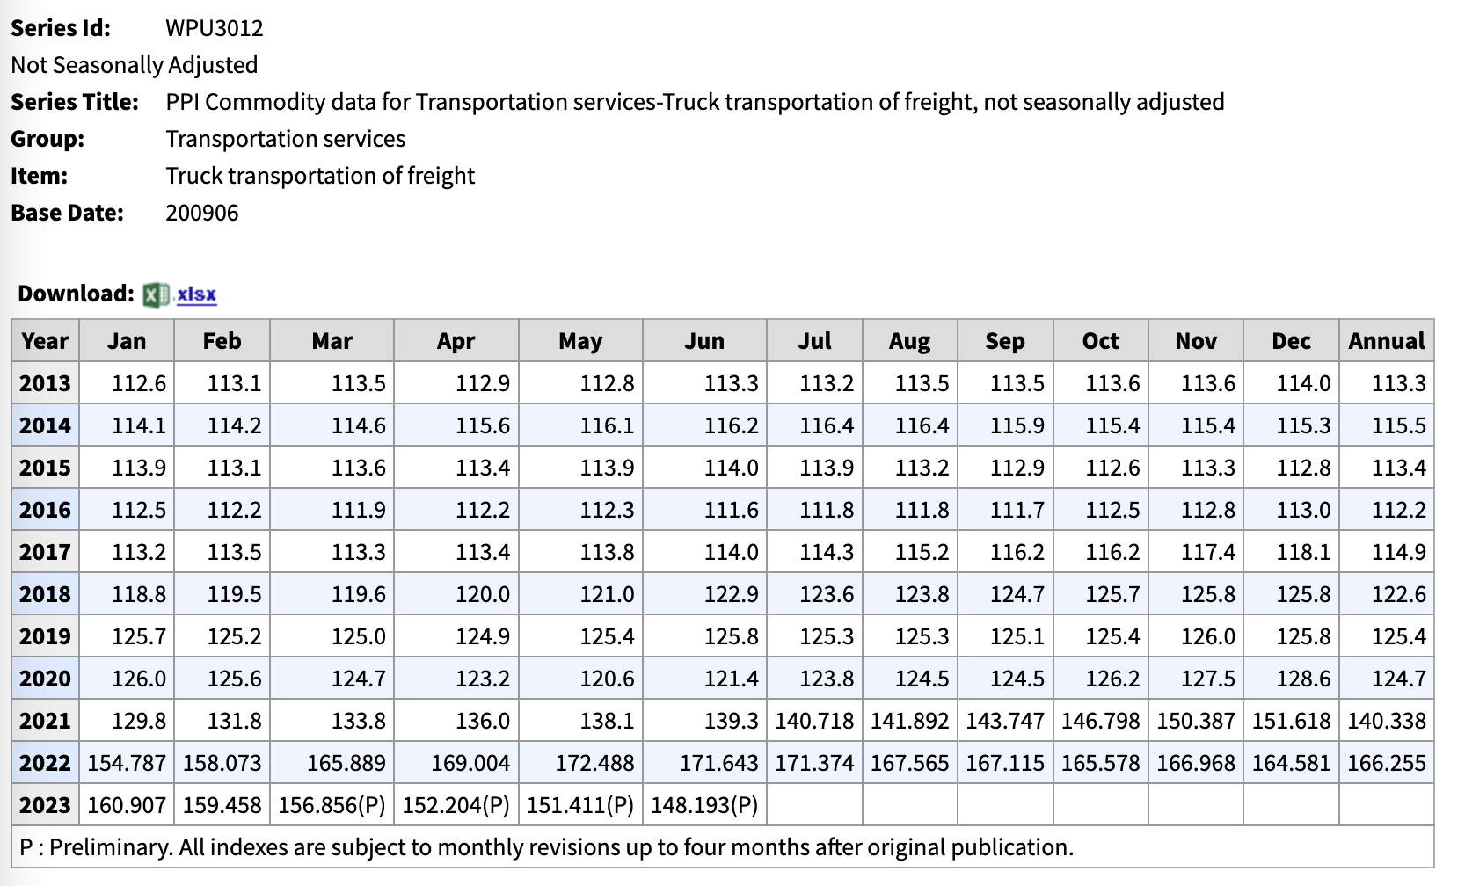
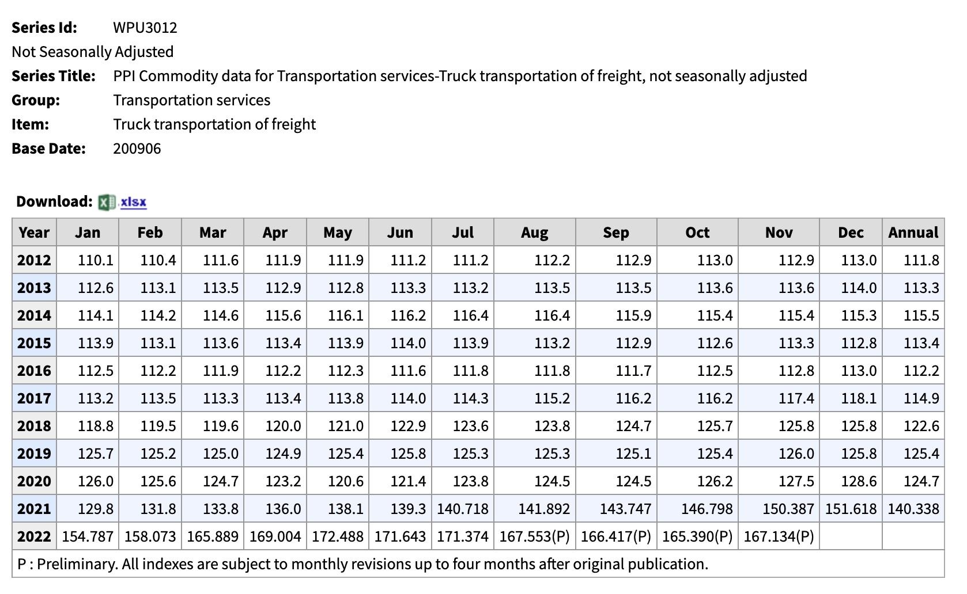
Transportation | $
PPI (2020 to 2022) | 1.3332397755 | Annual 2020 PPI for truck transportation of freightL 124.7
Cost per Km (USD 2020) | 1.0793393412 | Jan 2022 PPI for truck transportation of freight: 140.338
Cost per Km (USD 2021) | 1.4390181409
Transportation distance (km) | 13 | From Diamond Creek to Salmon
Capacity of truck (kg soil) | 384.61538462
Total transportation cost | $18.71
Transportation cost (per kg of soil) | $0.05
Total per year (100,000 kg) | $4,863.88

Collection | $
Collection (excavator $/hr 2009) | 60.7 | https://www.fs.usda.gov/Internet/FSE_DOCUMENTS/stelprdb5247321.pdf
PPI (2009 to 2021) | 1.66255 | caterpillar 311c excavator (2009 scaled up with 2021 PPI)
Collection (excavator $/hr 2021) | 100.916785
Collection (per day, 1 hour per day) | 100.916785 | Assumed 1 hour to dig ~384 kg of soil with caterpillar 311 CU (bucket capacity of 0.39 cubic yards)
Collection (260 days per year) | $26,238.36 | 1 cubic meter = ~1000 kg
Labor to operate | $9,100.00

Sensitivity
Energy and emissions
Case study scaled up - HT, RT, and continuous ultrasound |  |  |  |  |  |  | Per 385 kg soil processed (per day)
 |  |  |  |  |  |  | Power (kWh) | Total CO2 | Total N2O | Total CH4 | kg mixed REEs | Time (hours) | kg REE/h
Case 1 | Small scale (lab/bench) |  | Large scale per day | Scaling factor |  | case 1 | 2365825.00 | 63871.59 | 0.50 | 2.56 | 4.30 | 24.58 | 0.17
Capacity (L) | 1 |  | 38500.00 | 38500 |  | case 2 | 13597892.00 | 1406612.47 | 11.02 | 56.48 | 5.42 | 48.08 | 0.11
Soil loaded (kg) | 0.0100 |  | 385.00 |  |  | case 3 | 6941550.00 | 718057.68 | 5.63 | 28.83 | 5.05 | 48.08 | 0.11
REE leached (kg) | 1.1165E-04 |  | 4.30
Volume acid per batch (L) | 0.9900 |  | 38115.00 |  |  |  | Per 100,000 kg of soil processed (per year, 260 days)
Ultrasound power | 0.3 | kW | 11550.00 |  |  |  | Power (kWh) | Total CO2 | Total N2O | Total CH4 | kg mixed REEs | Time (hours) | kg REE/h
Energy price | $0.11 | $/kWh | $0.11 |  |  | case 1 | 615114500 | 16606612.859 | 130.120375 | 666.86692188 | 1117.6165 | 6390.8 | 0.17487896664
Time | 0.5 | hour | 0.5 |  |  | case 2 | 3535451920 | 365719241.57 | 2865.5768194 | 14686.081199 | 1408.407 | 12500.8 | 0.11266534942
Centrifuge power | 1.4 | kW | 53900.00 |  |  | case 3 | 1804803000 | 186694996.65 | 1462.8403263 | 7497.0566724 | 1313.8125 | 12500.8 | 0.10509827371
Energy price | $0.11 | $/kWh | $0.11
Time | 0.08 | hour | 0.08 |  |  |  | Per 1,000 kg (metric ton)
Oven power | 0.8 | kW | 30800.00 |  |  |  | Energy | GWP | Total N2O | Total CH4 | kg mixed REEs | Time (hours) | kg REE/h
Energy price | $0.11 | $/kWh | $0.11 |  |  | case 1 | 6.2E+06 | 1.66E+05 | 1.30120375 | 6.6686692187 | 11.176165 | 63.908 | 0.17487896664
Time | 24 | hour | 24 |  |  | case 2 | 3.5E+07 | 3.66E+06 | 28.655768194 | 146.86081199 | 14.08407 | 125.008 | 0.11266534942
 |  |  |  |  |  | case 3 | 1.8E+07 | 1.87E+06 | 14.628403263 | 74.970566724 | 13.138125 | 125.008 | 0.10509827371

 | Energy | #REF! | #REF! | GWP
case 1 | 6.2E+06 | 1 | 1 | 1.66E+05
case 2 | 3.5E+07 |  |  | 3.66E+06
case 3 | 1.8E+07 |  |  | 1.87E+06
Case 2 | Small scale (lab/bench) |  | Large scale per day (385 kg soil) | Scaling factor
Capacity (# of flasks) | 6
Soil loaded (kg) | 0.006 |  | 385 | 64166.67
REE leached (kg) | 0.00008442 |  | 5.41695 |  |  |  |  |  |  |  |  | % relative to case 3 | % reduction in CO2
Volume acid per batch (mL) | 594 |  | 38115000 |  |  |  |  |  |  |  | case 1 vs case 3 | 8.90% | 91.10%
Shaker power | 0.05 | kW | 3,208.33 |  |  |  |  |  |  |  | case 2 vs case 3 | 195.89% | -95.89%
Energy price | $0.11 | $/kWh | $0.11
Time | 24 | hour | 24
Centrifuge power | 1.4 | kW | 89833.333333
Energy price | $0.11 | $/kWh | $0.11
Time | 0.08 | hour | 0.08
Oven power | 0.8 | kW | 51333.333333
Energy price | $0.11 | $/kWh | $0.11
Time | 24 | hour | 24
Incubator power | 0.69 | kW | 44275
Energy price | $0.11 | $/kWh | $0.11
Time | 24 | hour | 24

Case 3 | Small scale (lab/bench) |  | Large scale per day (385 kg soil) | Scaling factor
Capacity (# of flasks) | 6
Soil loaded (kg) | 0.006 |  | 385 | 64166.67 |  |  | kg soil | RT leach yield (%) | US leach yield (%) | RT leach yield (kg) | US leach yield (kg)
REE leached (kg) | 0.00007875 |  | 5.053125 |  |  | 1% | 1000 | 0.375 | 0.319 | 13.125 | 11.165
Volume acid per batch (mL) | 594 |  | 38115000 |  |  | 5% | 5000 | 0.198 | 0.163 | 34.65 | 28.525
Shaker power | 0.05 | kW | 3,208.33 |  |  | 10% | 10000 | 0.15 | 0.091 | 52.5 | 31.85
Energy price | $0.11 | $/kWh | $0.11
Time | 24 | hour | 24 |  |  |  | Ultrasound |  |  |  |  |  | RT
Centrifuge power | 1.4 | kW | 89833.333333 |  |  |  | GWP | REEs leached | Power (kWh) | CO2 produced per kg REE leached |  |  | Total CO2 | REEs leached (kg) | Power (kWh) | CO2 produced per kg REE leached
Energy price | $0.11 | $/kWh | $0.11 |  |  | 1% | 166066.12859 | 11.165 | 6151145 | 14873.81 |  | 1% solids | 1866949.9665 | 13.125 | 18048030 | 142243.81
Time | 0.08 | hour | 0.08 |  |  | 5% | 166066.12859 | 28.525 | 6151145 | 5821.77 |  | 5% solids | 1866949.9665 | 34.65 | 18048030 | 53880.23
Oven power | 0.8 | kW | 51333.333333 |  |  | 10% | 166066.12859 | 31.85 | 6151145 | 5214.01 |  | 10% solids | 1866949.9665 | 52.5 | 18048030 | 35560.95
Energy price | $0.11 | $/kWh | $0.11
Time | 24 | hour | 24 |  |  |  |  |  |  |  |  | CO2 produced per kg REE leached
 |  |  |  |  |  |  |  |  |  |  |  | Ultrasound | Room temperature
 |  |  |  |  |  |  |  |  |  |  | 1% | 14873.813578 | 142243.80697
 |  |  |  |  |  |  |  |  |  |  | 5% | 5821.774885 | 53880.229912
 |  |  |  |  |  |  |  |  |  |  | 10% | 5214.0071772 | 35560.951742 |  | 64.95% | % reduction in co2 compared to 1% solids

 |  |  |  |  |  | Energy (kWh) | Energy price ($/kWh) | Total price | mass processed (kg) | $/kg | $/hr
 |  |  |  |  | case 1 | 6151145.00 | 0.11 | $676,625.95 | 100,000 | $6.77 | $27,527.50
 |  |  |  |  | case 2 | 35354519.20 | 0.11 | $3,888,997.11 | 100,000 | $38.89 | $53,953.90
 |  |  |  |  | case 3 | 18048030.00 | 0.11 | $1,985,283.30 | 100,000 | $19.85 | $41,291.25

 |  |  |  |  |  | $/kg | dummy 1 | dummy 2 | $/hr
 |  |  |  |  | case 1 | $6.77 |  |  | $27,527.50
 |  |  |  |  | case 2 | $38.89 |  |  | $53,953.90
 |  |  |  |  | case 3 | $19.85 |  |  | $41,291.25

 | $/kg | dummy 1 | dummy 2 | $/hr
case 1 | $6.77 |  |  | $27,527.50
case 2 | $38.89 |  |  | $53,953.90
case 3 | $19.85 |  |  | $41,291.25

